Bug report 1
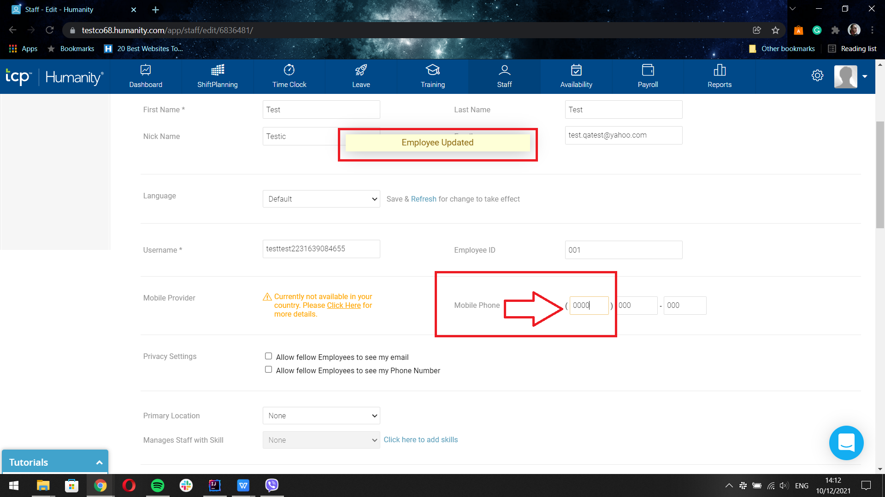
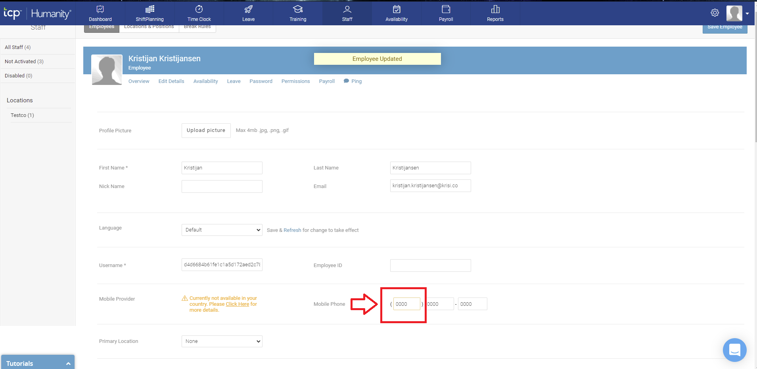
BUG REPORT 1
SUMMARY | PHONE NUMBERS CAN BE ENTERED IN INCORRECT FORMAT, COUNTRY ID NUMBER ARE IMPUTTED WITHOUT ANY CHEKING IF THEY ARE CORRECTLY WRITEN
DESCRIPTION | Phone numbers can be imputted in as user want. that should not be a problem, but country id in phone numbers should have some way of confirmation if they are correctly imputted. for example, there is a screenshot of the problem in 2 different phone numbers, and both of them have incorectly imputed country id that does not exist, for checking if country code id exist go to: https://countrycode.org/

can be found in: TC ID 11 TC ID 23

PRECONDITION | User is logged in to the website and on page for editing profile or employees profile
STEPS TO REPRODUCE
step 1 | find a field for phone number and imput 0000 as country id in the brecets ()
step 2 | press enter, or scroll down to the end of the page and save changes

EXPECTED RESULT | phone number must be entered in correct form, especialy country id number, and some sort of message should appear for the user to correct phone number. Second option is to have drop down menu to choose between posibile choices for country id numbers
ACTUAL RESULT | phone number is accepted even so the country id for calling is not correct
PRIORITY | low
SEVERITY | low
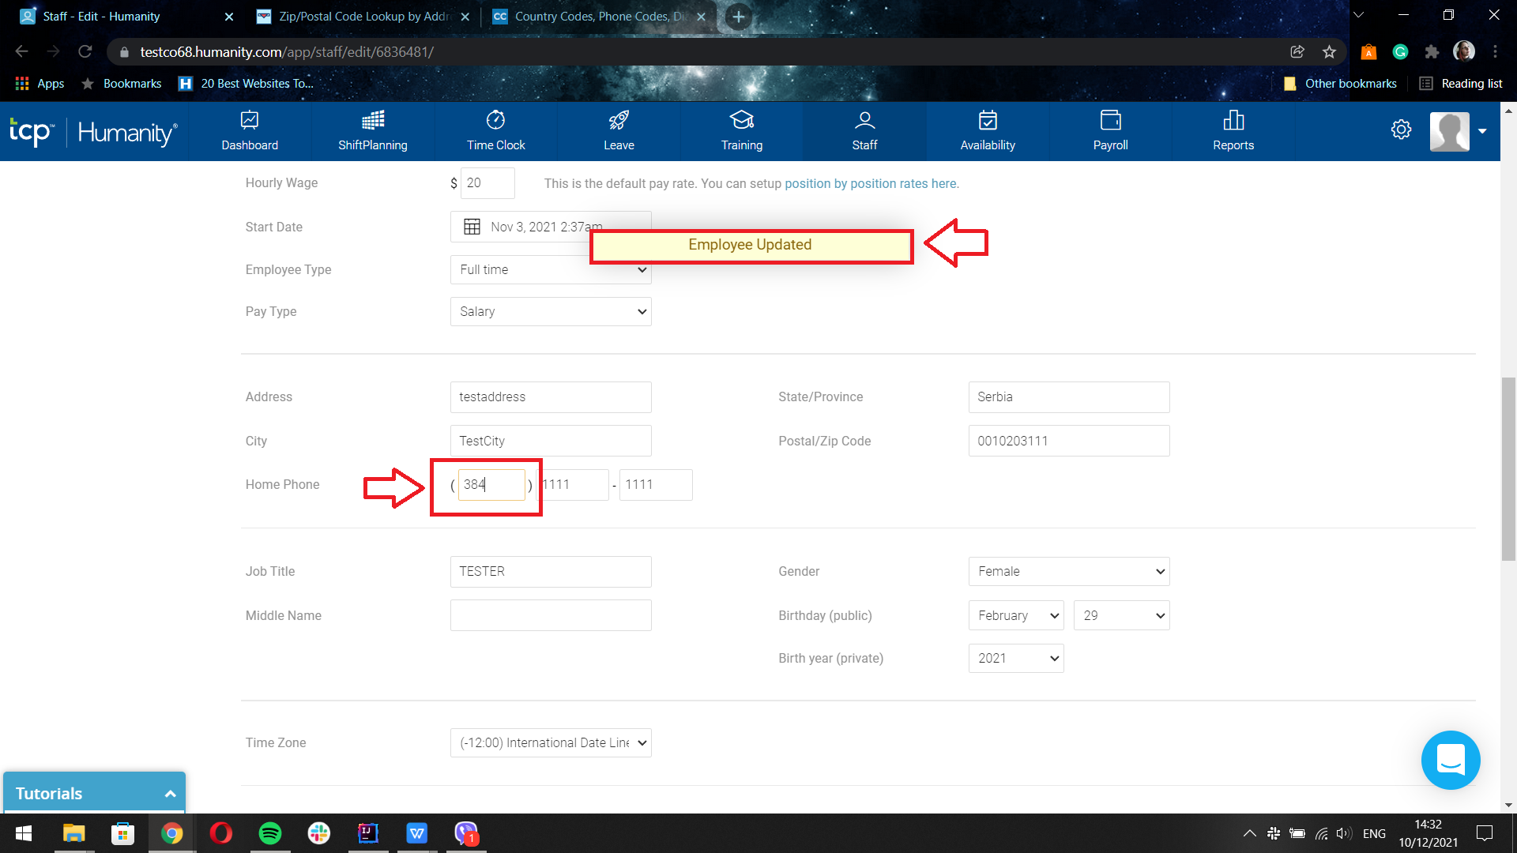
SCREEN SHOTS

Bug report 2
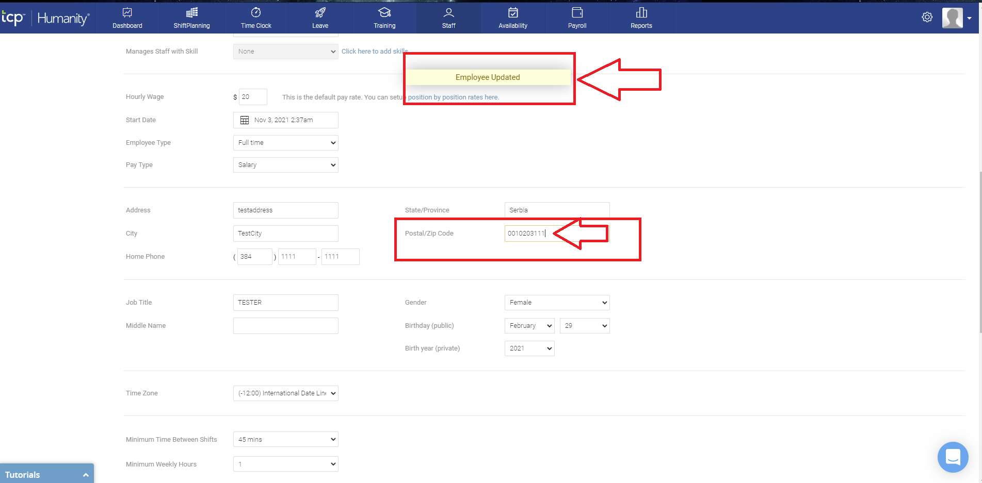
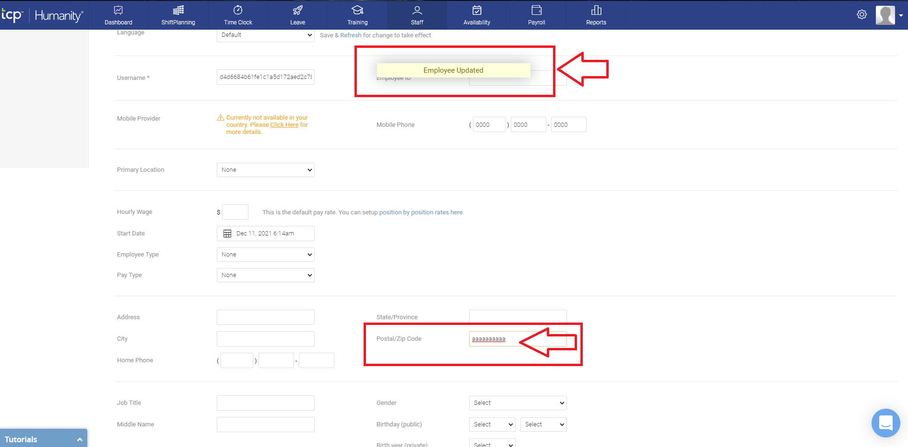
BUG REPORT 2
SUMMARY | POSTAL/ZIP CODE IS ACCEPTED WITHOUT ANY AUTORIZATION AND THERE IS NO MESSAGE IF POSTAL/ZIP CODE IS INVALID
DESCRIPTION | In field for postal/zip code can be inputed anything. There is no metter if postal/zip code are numbers or letters. There is no error message for wrong imput, and there is no warning that inputed numbers or letters doesnt exist on the map/city/country. Employee/User can be saved whatever it is writen in the field for postal/zip code To check if postal code is in invalid format or if that postal code exist go to: https://worldpostalcode.com/lookup

can be found in: TC ID 11 TC ID 24

PRECONDITION | User is logged in to the website and on page for editing profile or employee
STEPS TO REPRODUCE
step 1 | find a field for "Postal/Zip Code" and imput "0010203111" or some combination of letters, for example "aaaaaaa"
step 2 | press enter, or scroll down to the end of the page and save changes

EXPECTED RESULT | Postal/Zip code must be entered in correct form, and some sort of message should appear for the user to correc tPostal/Zip code if it is written in wrong format or if it is invalid imput. Second option is to have drop down menu to choose between posibile choices for postal/zip code numbers
ACTUAL RESULT | postal/zip code is accepted whatever is written in the field and user/employees profile is successfully edited with pop up message that confirms that employee is updated
PRIORITY | low
SEVERITY | low
SCREEN SHOTS

Bug report 3
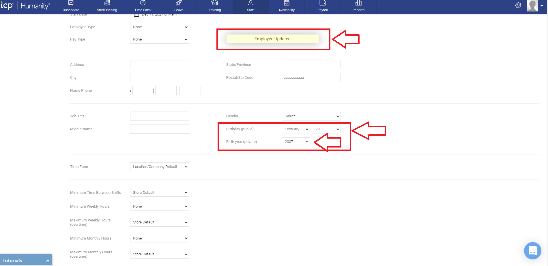
BUG REPORT 3
SUMMARY | IN FIELD FOR ENTERING BIRTHDAY OF THE USER OR EMPLOYEE 29.FEBRUARY CAN BE INPUTED FOR EVERY YEAR
DESCRIPTION | 29. february can be choosen for every year for birthday of the user or employes. 29. february can be valid input only in years that have 29 days in february, and that is leap year, every 4 years. for cheking if the year is leap or not, go to: https://keisan.casio.com/exec/system/1532572418

can be found in: TC ID 11 TC ID 24

PRECONDITION | User is logged in to the website and on page for editing profile or editing employees profile
STEPS TO REPRODUCE
step 1 | find drop down menu "Birthday (public)", click on drop down menu and choose "February" from the menu
step 2 | click on drop down menu for day of birthday and choose 29
step 3 | click on the "Birth year (private)" drop down menu and choose for example 2007, or any other year
step 4 | press enter, or scroll down to the end of the page and save changes

EXPECTED RESULT | 29. february can not be choosen for every year. pop up message should apear on the screen that 29th february didnt exist for choosen year
ACTUAL RESULT | user/employees profile canges are successfully accepted, and theire profile are updated
PRIORITY | low
SEVERITY | low
SCREEN SHOTS

Bug report 4
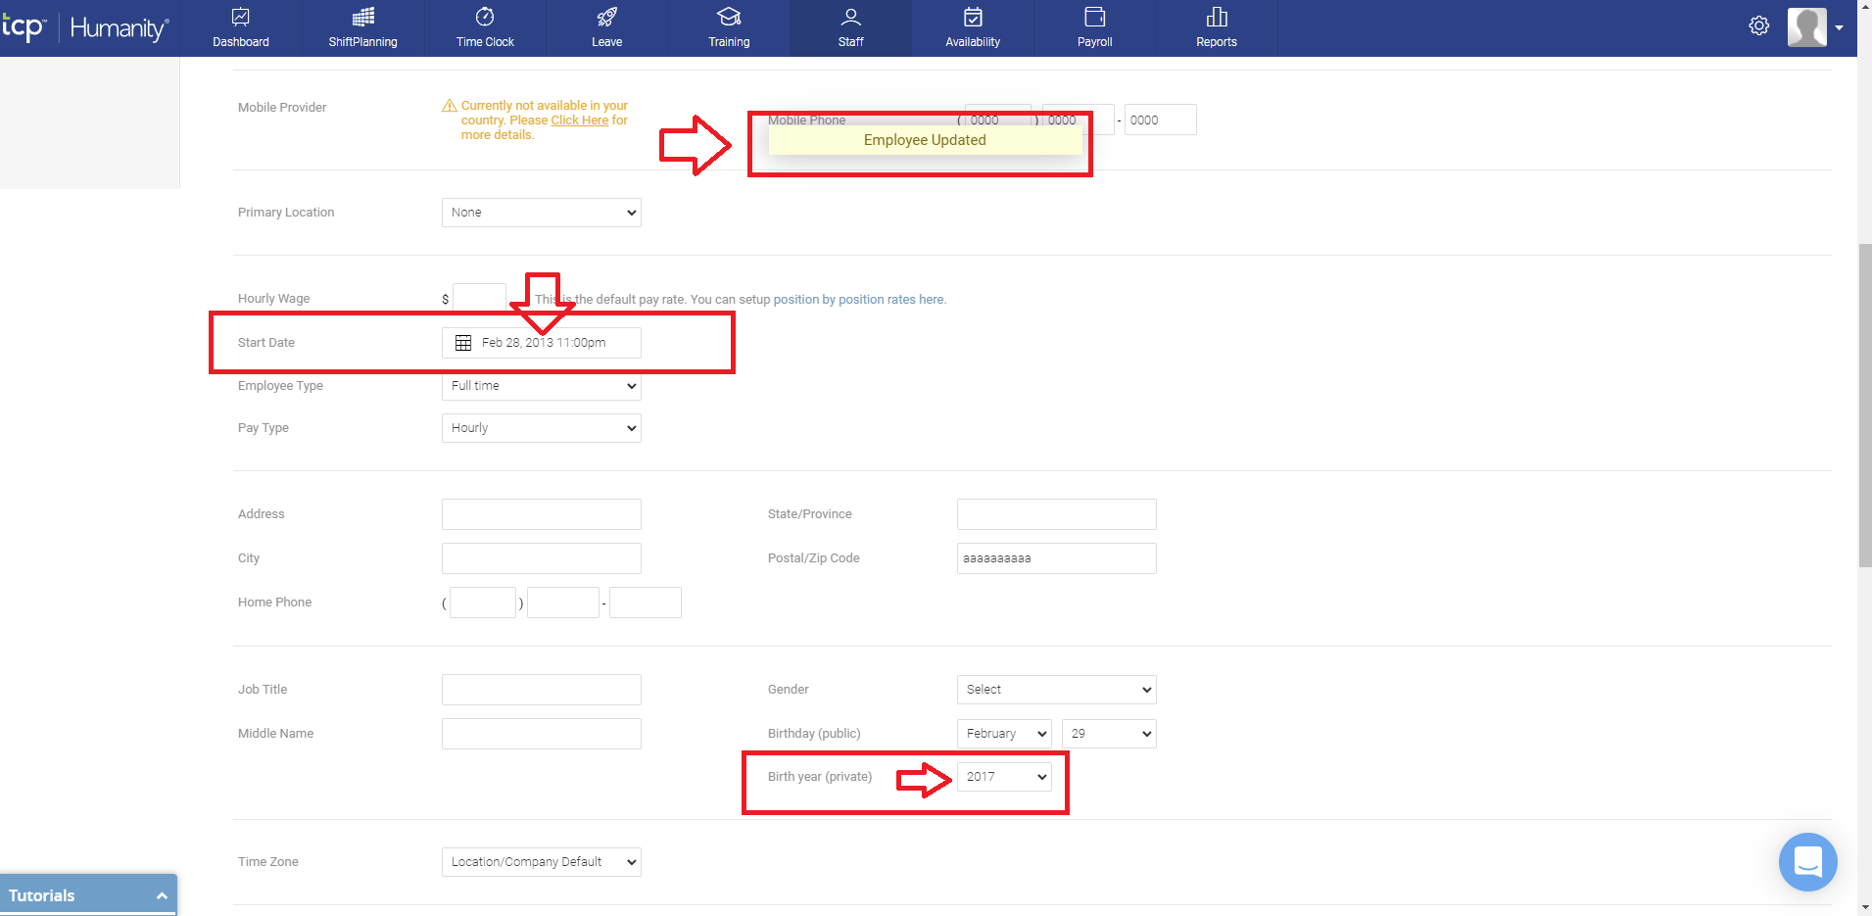
BUG REPORT 4
SUMMARY | START DAY OF WORK CAN BE SELECTED TO BE BEFFORE USER/EMPLOYEE IS BORN
DESCRIPTION | from drop down calendar of "Start Date" for work, user can select that employee started to work beffore the employee is even born. That happen with no metter if the user select date of birth or not. If date of birthday is selected beffore the date of work same thing happen, if user first select date of work then date of birthday.

can be found in: TC ID 24

PRECONDITION | User is logged in to the website and on page for editing profile or editing employees profile
STEPS TO REPRODUCE
step 1 | find and click on the field marked as "Start date" and change start date of work from drop down calendar (for example Feb, 28, 2013 11:00pm)
step 2 | Click on the dropdown menu marked as "Birthday (public)" and select date option from dropdown menu (for example 20 )
step 3 | Click on the dropdown menu marked as "Birthday (public)" and select month option from dropdown menu (for example november)
step 4 | Click on the dropdown menu marked as "Birth year (private)" and select date and month option from dropdown menu (for example 2017)
step 5 | press enter, or scroll down to the end of the page and save changes

EXPECTED RESULT | pop up message should apear on the screen and on that message should be writen text "Start day of work can not be beffore user is born! Please enter correct date od birthday or start day of working"
ACTUAL RESULT | user/employees profile canges are successfully accepted, and theire profile are updated
PRIORITY | low
SEVERITY | low
SCREEN SHOTS

